Sheet1

Questions on Measure of Skewness and Kurtosis
 | Return
 | -2.5 |  | Skewness | 0.054546017084
 | 1.3
 | -0.8 |  | Kurtosis | -1.3042496426
 | -1.9
 | 2.1 |  | Interpretation
 | 0.5
 | -1.2 |  | Interpretation Based on the skewness value is 0.054546017 , A value of zero indicates that there is no skewness in the distribution at all, meaning the distribution is perfectly symmetrical.
 | 1.8
 | -0.5 |  | Interpretation Based on the kurtosis These distributions have values of less than 3 or negative excess values -1.304249643. so, this is Platykurtic distributions.
 | 2.3
 | -0.7
 | 1.2
 | -1.5
 | -0.3
 | 2.6
 | 1.1
 | -1.7
 | 0.9
 | -1.4
 | 0.3
 | 1.9
 | -1.1
 | -0.4
 | 2.2
 | -0.9
 | 1.6
 | -0.6
 | -1.3
 | 2.4
 | 0.7
 | -1.8
 | 1.5
 | -0.2
 | -2.1
 | 2.8
 | 0.8
 | -1.6
 | 1.4
 | -0.1
 | 2.5
 | -1
 | 1.7
 | -0.9
 | -2
 | 2.7
 | 0.6
 | -1.4
 | 1.1
 | -0.3
 | 2

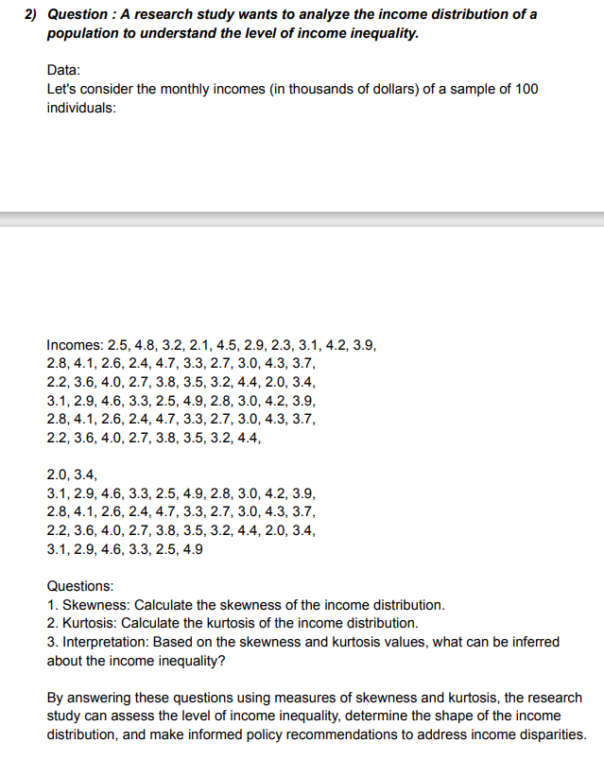
 |  | Income |  | Skewness | 0.22402536455
 |  | 2.5
 |  | 4.8 |  | Kurtosis | -0.93120912453
 |  | 3.2
 |  | 2.1 |  | Interpretation
 |  | 4.5
 |  | 2.9 |  | Interpretation Based on the skewness value is 0.224025 , A value of zero indicates that there is no skewness in the distribution at all, meaning the distribution is perfectly symmetrical.
 |  | 2.3
 |  | 3.1 |  | Interpretation Based on the kurtosis These distributions have values of less than 3 or negative excess values -0.93121. so, this is Platykurtic distributions.
 |  | 4.2
 |  | 3.9
 |  | 2.8
 |  | 4.1
 |  | 2.6
 |  | 2.4
 |  | 4.7
 |  | 3.3
 |  | 2.7
 |  | 3
 |  | 4.3
 |  | 3.7
 |  | 2.2
 |  | 3.6
 |  | 4
 |  | 2.7
 |  | 3.8
 |  | 3.5
 |  | 3.2
 |  | 4.4
 |  | 2
 |  | 3.4
 |  | 3.1
 |  | 2.9
 |  | 4.6
 |  | 3.3
 |  | 2.5
 |  | 4.9
 |  | 2.8
 |  | 3
 |  | 4.2
 |  | 3.9
 |  | 2.8
 |  | 4.1
 |  | 2.6
 |  | 2.4
 |  | 4.7
 |  | 3.3
 |  | 2.7
 |  | 3
 |  | 4.3
 |  | 3.7
 |  | 2.2
 |  | 3.6
 |  | 4
 |  | 2.7
 |  | 3.8
 |  | 3.5
 |  | 3.2
 |  | 4.4
 |  | 2
 |  | 3.4
 |  | 3.1
 |  | 2.9
 |  | 4.6
 |  | 3.3
 |  | 2.5
 |  | 4.9
 |  | 2.8
 |  | 3
 |  | 4.2
 |  | 3.9
 |  | 2.8
 |  | 4.1
 |  | 2.6
 |  | 2.4
 |  | 4.7
 |  | 3.3
 |  | 2.7
 |  | 3
 |  | 4.3
 |  | 3.7
 |  | 2.2
 |  | 3.6
 |  | 4
 |  | 2.7
 |  | 3.8
 |  | 3.5
 |  | 3.2
 |  | 4.4
 |  | 2
 |  | 3.4
 |  | 3.1
 |  | 2.9
 |  | 4.6
 |  | 3.3
 |  | 2.5
 |  | 4.9

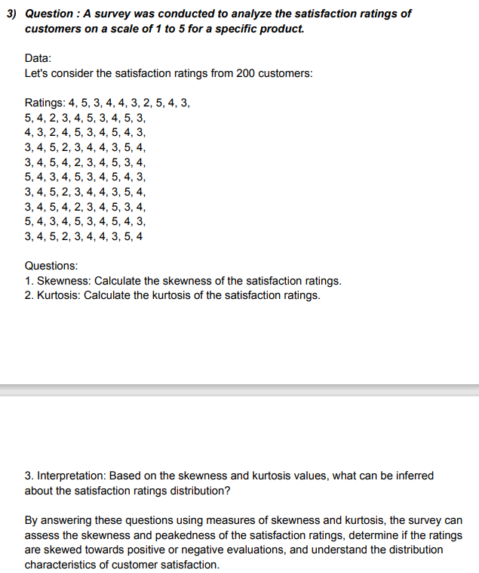
 |  | Rating
 |  | 4 |  | Skewness | -0.2077328188
 |  | 5
 |  | 3 |  | Kurtosis | -0.74525627212
 |  | 4
 |  | 4 |  | Interpretation
 |  | 3
 |  | 2 |  | Interpretation Based on the skewness value is -0.20773 , then left-skewed distribution is longer on the left side of its peak.
 |  | 5
 |  | 4 |  | Interpretation Based on the kurtosis These distributions have values of less than 3 or negative excess values -0.74526. so, this is Platykurtic distributions.
 |  | 3
 |  | 5
 |  | 4
 |  | 2
 |  | 3
 |  | 4
 |  | 5
 |  | 3
 |  | 4
 |  | 5
 |  | 3
 |  | 4
 |  | 3
 |  | 2
 |  | 4
 |  | 5
 |  | 3
 |  | 4
 |  | 5
 |  | 4
 |  | 3
 |  | 3
 |  | 4
 |  | 5
 |  | 2
 |  | 3
 |  | 4
 |  | 4
 |  | 3
 |  | 5
 |  | 4
 |  | 3
 |  | 4
 |  | 5
 |  | 4
 |  | 2
 |  | 3
 |  | 4
 |  | 5
 |  | 3
 |  | 4
 |  | 5
 |  | 4
 |  | 3
 |  | 4
 |  | 5
 |  | 3
 |  | 4
 |  | 5
 |  | 4
 |  | 3
 |  | 3
 |  | 4
 |  | 5
 |  | 2
 |  | 3
 |  | 4
 |  | 4
 |  | 3
 |  | 5
 |  | 4
 |  | 3
 |  | 4
 |  | 5
 |  | 4
 |  | 2
 |  | 3
 |  | 4
 |  | 5
 |  | 3
 |  | 4
 |  | 5
 |  | 4
 |  | 3
 |  | 4
 |  | 5
 |  | 3
 |  | 4
 |  | 5
 |  | 4
 |  | 3
 |  | 3
 |  | 4
 |  | 5
 |  | 2
 |  | 3
 |  | 4
 |  | 4
 |  | 3
 |  | 5
 |  | 4

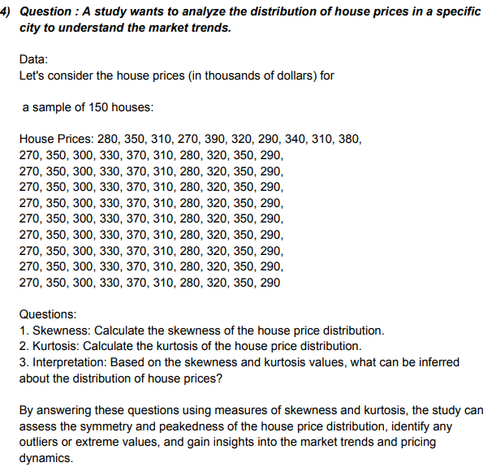
 |  | Rating
 |  | 280
 |  | 350
 |  | 310 |  | Skewness | 0.20606717699
 |  | 270
 |  | 390 |  | Kurtosis | -1.0374244845
 |  | 320
 |  | 290 |  | Interpretation
 |  | 340
 |  | 310
 |  | 380 |  |  | Interpretation Based on the skewness value is 0.206067 , A value of zero indicates that there is no skewness in the distribution at all, meaning the distribution is perfectly symmetrical.
 |  | 270
 |  | 350 |  |  | Interpretation Based on the kurtosis These distributions have values of less than 3 or negative excess values -1.03742. so, this is Platykurtic distributions.
 |  | 300
 |  | 330
 |  | 370
 |  | 310
 |  | 280
 |  | 320
 |  | 350
 |  | 290
 |  | 270
 |  | 350
 |  | 300
 |  | 330
 |  | 370
 |  | 310
 |  | 280
 |  | 320
 |  | 350
 |  | 290
 |  | 270
 |  | 350
 |  | 300
 |  | 330
 |  | 370
 |  | 310
 |  | 280
 |  | 320
 |  | 350
 |  | 290
 |  | 270
 |  | 350
 |  | 300
 |  | 330
 |  | 370
 |  | 310
 |  | 280
 |  | 320
 |  | 350
 |  | 290
 |  | 270
 |  | 350
 |  | 300
 |  | 330
 |  | 370
 |  | 310
 |  | 280
 |  | 320
 |  | 350
 |  | 290
 |  | 270
 |  | 350
 |  | 300
 |  | 330
 |  | 370
 |  | 310
 |  | 280
 |  | 320
 |  | 350
 |  | 290
 |  | 270
 |  | 350
 |  | 300
 |  | 330
 |  | 370
 |  | 310
 |  | 280
 |  | 320
 |  | 350
 |  | 290
 |  | 270
 |  | 350
 |  | 300
 |  | 330
 |  | 370
 |  | 310
 |  | 280
 |  | 320
 |  | 350
 |  | 290
 |  | 270
 |  | 350
 |  | 300
 |  | 330
 |  | 370
 |  | 310
 |  | 280
 |  | 320
 |  | 350
 |  | 290

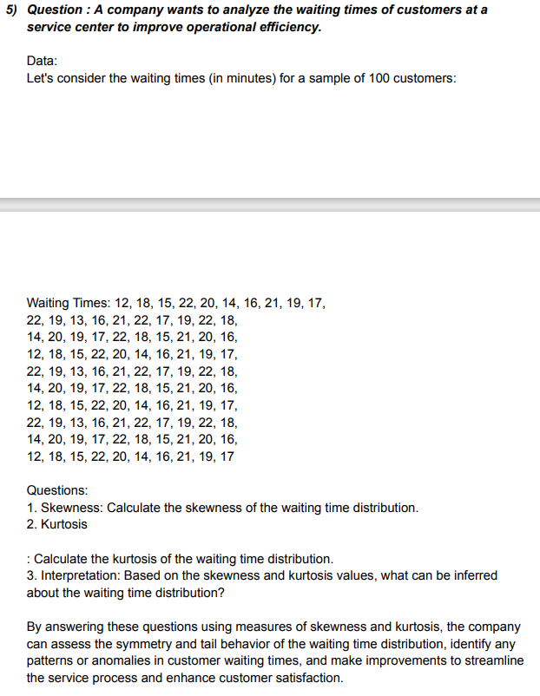
 |  | Times
 |  | 12
 |  | 18 |  | Skewness | -0.32996659307
 |  | 15
 |  | 22 |  | Kurtosis | -0.88101144669
 |  | 20
 |  | 14 |  | Interpretation
 |  | 16
 |  | 21 |  | Interpretation Based on the skewness value is -0.32997 , then left-skewed distribution is longer on the left side of its peak.
 |  | 19
 |  | 17 |  | Interpretation Based on the kurtosis These distributions have values of less than 3 or negative excess values -0.88101. so, this is Platykurtic distributions.
 |  | 22
 |  | 19
 |  | 13
 |  | 16
 |  | 21
 |  | 22
 |  | 17
 |  | 19
 |  | 22
 |  | 18
 |  | 14
 |  | 20
 |  | 19
 |  | 17
 |  | 22
 |  | 18
 |  | 15
 |  | 21
 |  | 20
 |  | 16
 |  | 12
 |  | 18
 |  | 15
 |  | 22
 |  | 20
 |  | 14
 |  | 16
 |  | 21
 |  | 19
 |  | 17
 |  | 22
 |  | 19
 |  | 13
 |  | 16
 |  | 21
 |  | 22
 |  | 17
 |  | 19
 |  | 22
 |  | 18
 |  | 14
 |  | 20
 |  | 19
 |  | 17
 |  | 22
 |  | 18
 |  | 15
 |  | 21
 |  | 20
 |  | 16
 |  | 12
 |  | 18
 |  | 15
 |  | 22
 |  | 20
 |  | 14
 |  | 16
 |  | 21
 |  | 19
 |  | 17
 |  | 22
 |  | 19
 |  | 13
 |  | 16
 |  | 21
 |  | 22
 |  | 17
 |  | 19
 |  | 22
 |  | 18
 |  | 14
 |  | 20
 |  | 19
 |  | 17
 |  | 22
 |  | 18
 |  | 15
 |  | 21
 |  | 20
 |  | 16
 |  | 12
 |  | 18
 |  | 15
 |  | 22
 |  | 20
 |  | 14
 |  | 16
 |  | 21
 |  | 19
 |  | 17

